RM Details
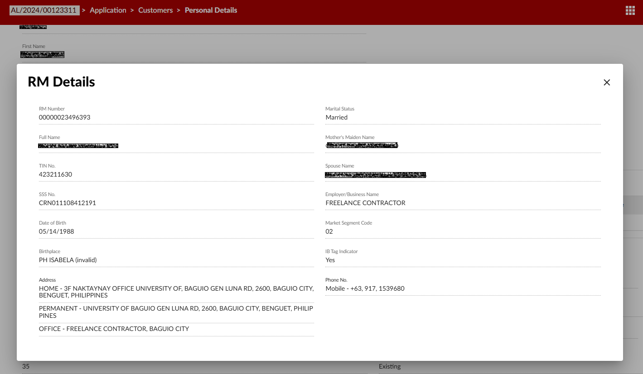

Bank Relationship Screenshots
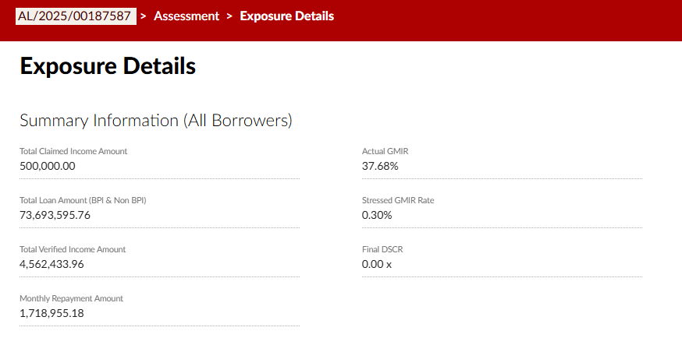

Codes in Bank Relationships
BPI CREDIT CARD BLOCK CODES | BPI CREDIT CARD CREDIT RATING | BPI LOANS CREDIT RATING:
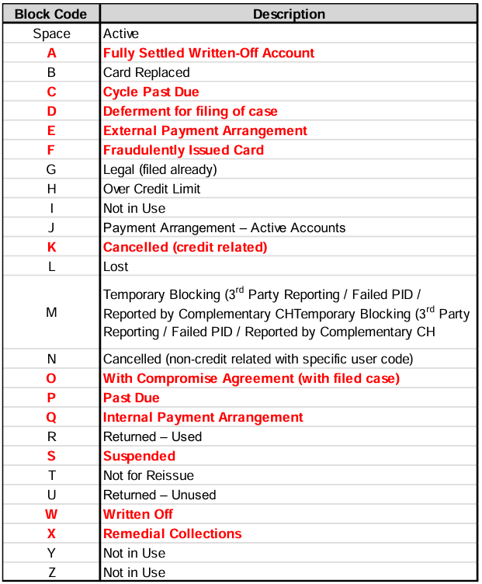
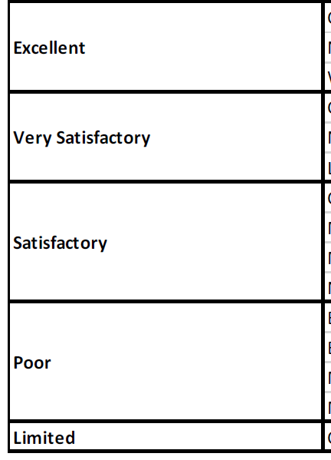

 |  | NDB SCREENSHOT
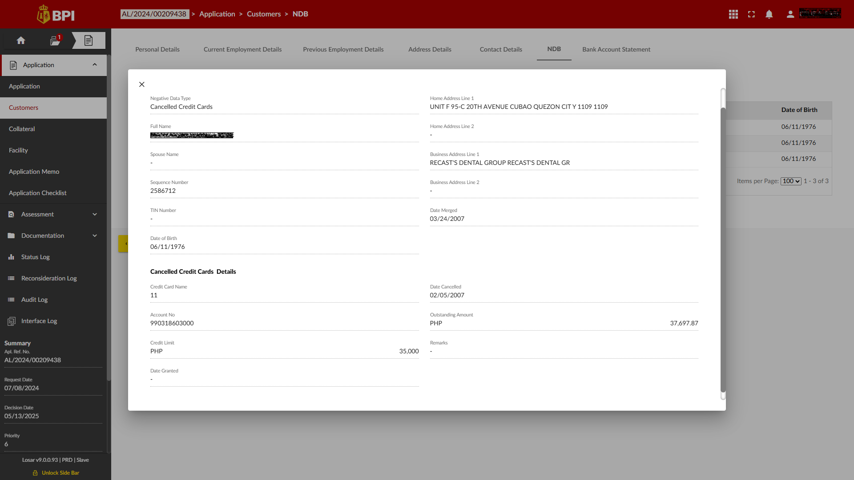

CREDIT CHECK SUMMARY

Duplicate Check Screenshot
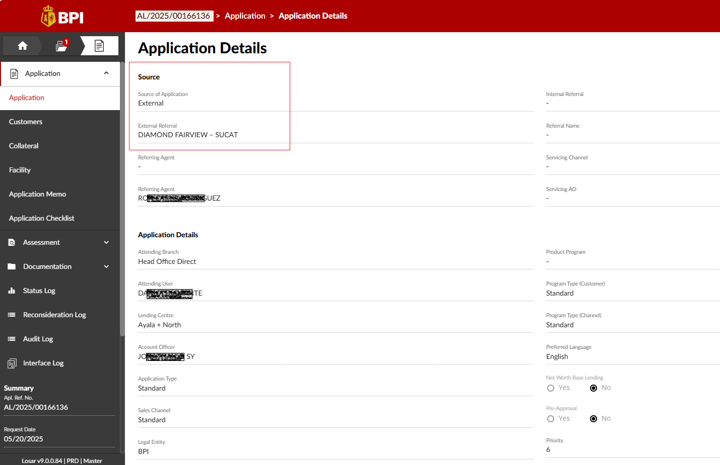
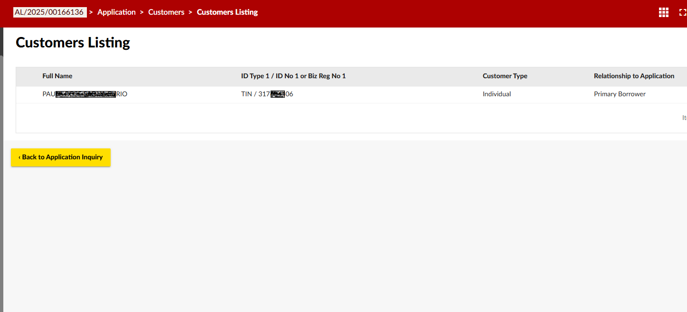
How to check duplicate: Same 100% for the following fields

Previous LOS Check Screenshot
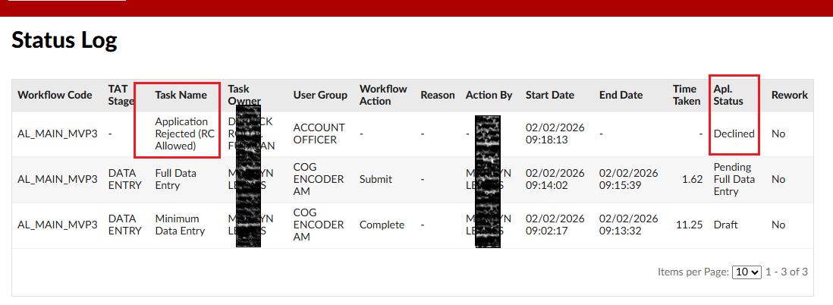
Information to get for checking previous application | Apl. Ref. No | Request Date | Application Status | Date of Latest Entry in Status Log | Credit Approval Validity Date (if approved only) | Source of Application | External Referral/Internal Referral | Lending Centre | Category | Validity | Task Name | Application Status | Category | Validity (days)
 | AL/2025/00249442 | 2025-07-22 | Approved & Accepted | 2025-07-29 | 2026-01-18 | External | Ford Balintawak | Head Office |  |  | Minimum Data Entry | Draft | Pending | 1
 |  |  |  |  |  |  |  |  |  |  | System Internal Checks | Pending Internal Checks | Pending | 1
 |  |  |  |  |  |  |  |  |  |  | Full Data Entry | Pending Full Data Entry | Pending | 1
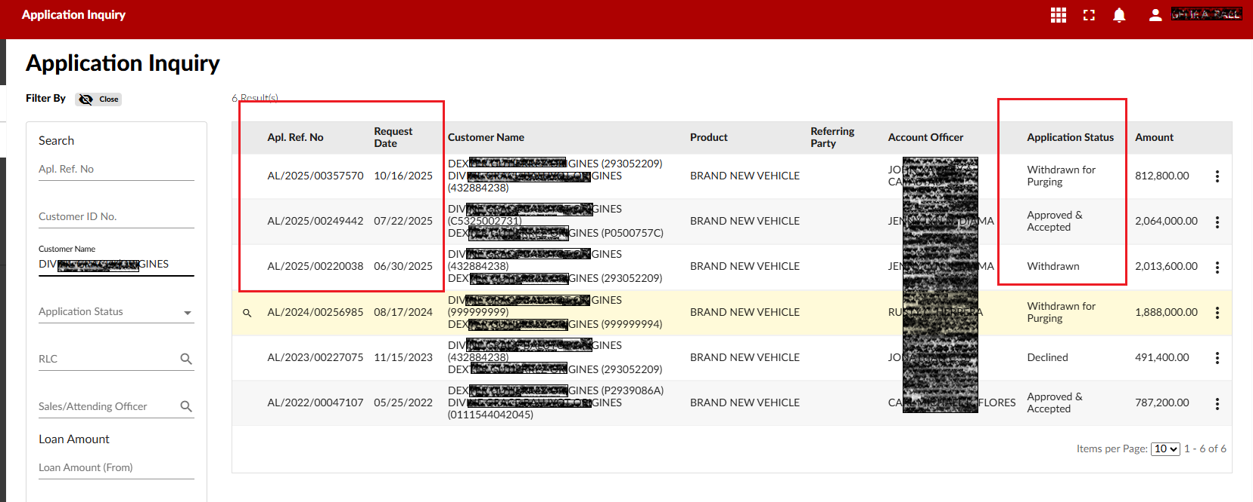
 |  |  |  |  |  |  |  |  |  |  | Matched Sensitive List | Pending Clearance | Pending | on going processing
 |  |  |  |  |  |  |  |  |  |  | Loan Confirmation & Verification | Pending Loan Confirmation | Pending | on going processing
 |  |  |  |  |  |  |  |  |  |  | KIV (Pending Phone Verification) | Pending Phone Verification | Pending | on going processing
 |  |  |  |  |  |  |  |  |  |  | Pending Field Investigation Completion | Pending Field Investigation | Pending | on going processing
 |  |  |  |  |  |  |  |  |  |  | Verify Field Investigation Data | Pending Field Investigation Verification | Pending | on going processing
 |  |  |  |  |  |  |  |  |  |  | Credit Evaluation & Recommendation | Pending Credit Evaluation | Pending | on going processing
 |  |  |  |  |  |  |  |  |  |  | Verify Conditional Approval | Pending Conditional Verification | Pending | on going processing
 |  |  |  |  |  |  |  |  |  |  | Matched Sensitive List (DLO) | Pending Clearance | Pending | on going processing
 |  |  |  |  |  |  |  |  |  |  | Credit Decision | Pending Credit Decision | Pending | on going processing
 |  |  |  |  |  |  |  |  |  |  | Second Credit Decision | Pending Credit Decision | Pending | on going processing
 |  |  |  |  |  |  |  |  |  |  | Pricing Approval | Pending Pricing Approval | Pending | on going processing
 |  |  |  |  |  |  |  |  |  |  | Second Pricing Approval | Pending Credit Decision | Pending | on going processing
 |  |  |  |  |  |  |  |  |  |  | Review Auto Approved | Pending Review | Pending | on going processing
 |  |  |  |  |  |  |  |  |  |  | Second Conditional Approval | Pending Credit Decision | Pending | on going processing
 |  |  |  |  |  |  |  |  |  |  | Reject Review | Pending Credit Decision | Pending | on going processing
 |  |  |  |  |  |  |  |  |  |  | Follow-up With Customer | Pending Customer Follow-up | BTS | 30
 |  |  |  |  |  |  |  |  |  |  | Back To Sales | Pending Sales Feedback | BTS | 30
 |  |  |  |  |  |  |  |  |  |  | Get Conditional Approval Requirements | Pending Conditional Requirements | Conditional Approval | 30
 |  |  |  |  |  |  |  |  |  |  | Appraisal Fee Payment | Pending Appraisal Fee Payment | Approved | 180
 |  |  |  |  |  |  |  |  |  |  | Appraisal Fee Payment Approval | Pending Appraisal Fee Payment Approval | Approved | 180
 |  |  |  |  |  |  |  |  |  |  | Provide Appraisal & Car History Details | Approved | Approved | 180
 |  |  |  |  |  |  |  |  |  |  | Pending Appraisal / Car History Completion | Pending Appraisal / Car History | Approved | 180
 |  |  |  |  |  |  |  |  |  |  | Review Appraisal & Car History | Pending Appraisal Review | Approved | 180
 |  |  |  |  |  |  |  |  |  |  | Upload Fee | Pending Upload Fee | Approved | 180
 |  |  |  |  |  |  |  |  |  |  | Pricing Approval | Pending Pricing Approval | Approved | 180
 |  |  |  |  |  |  |  |  |  |  | Pending Customer Acceptance | Pending Acceptance | Approved | 180
 |  |  |  |  |  |  |  |  |  |  | Payment Mode Update | Pending Payment Mode Update | Approved | 180
 |  |  |  |  |  |  |  |  |  |  | Check & Authorize | Customer Accepted | Approved | 180
 |  |  |  |  |  |  |  |  |  |  | Print & Send Documents | Pending Documents Printing | Approved | 180
 |  |  |  |  |  |  |  |  |  |  | Forward for ATD / BG | Accepted Pending Documents | Approved | 180
 |  |  |  |  |  |  |  |  |  |  | Pending Documents | Accepted Pending Documents | Approved | 180
 |  |  |  |  |  |  |  |  |  |  | Review Documents | Pending Documents Review | Approved | 180
 |  |  |  |  |  |  |  |  |  |  | No Warranty Limit Available | Pending Warranty / Original | Approved | 180
 |  |  |  |  |  |  |  |  |  |  | Final Review | Pending Final Review | Approved | 180
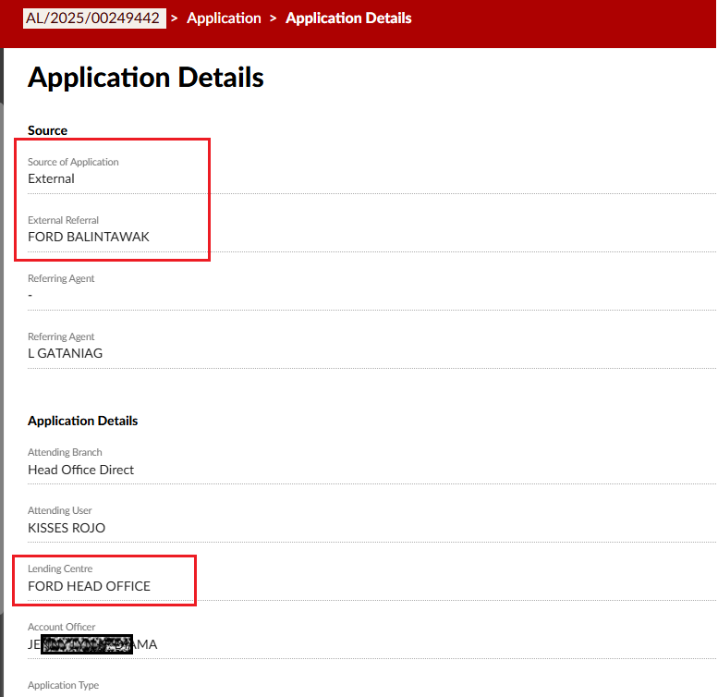
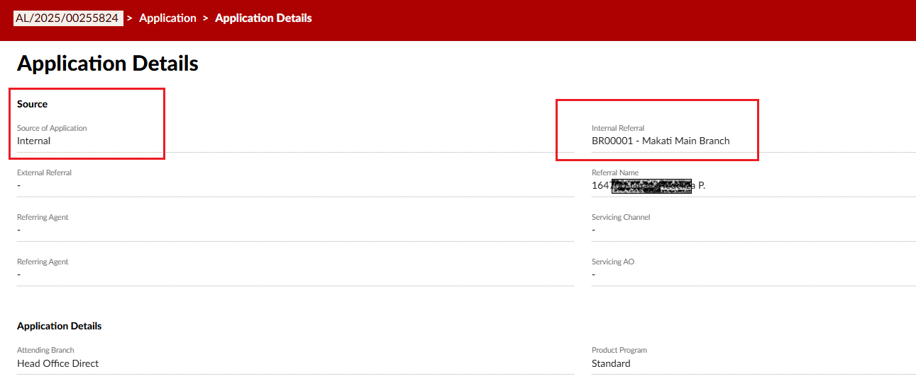
 |  |  |  |  |  |  |  |  |  |  | Require Deficiency Regularization | Pending Deficiency Regularization | Approved | 180
 |  |  |  |  |  |  |  |  |  |  | Release ATD / Bank Guarantee | Pending ATD / Bank Guarantee Release | Approved | 180
 |  |  |  |  |  |  |  |  |  |  | Awaiting Original Documents | Pending Original Documents | Approved | 180
 |  |  |  |  |  |  |  |  |  |  | Request Final Car History | Pending Final Car History | Approved | 180
 |  |  |  |  |  |  |  |  |  |  | Pending Final Car History Check | Pending Final Car History | Approved | 180
 |  |  |  |  |  |  |  |  |  |  | Review Final Car History | Pending Car History Review | Approved | 180
 |  |  |  |  |  |  |  |  |  |  | KIV for Prebooking | Approved & Accepted | Approved | 180
 |  |  |  |  |  |  |  |  |  |  | Booking Initiation | Booking Initiation | Approved | 180
 |  |  |  |  |  |  |  |  |  |  | Booking Initiation Approval | Booking Initiation Approval | Approved | 180
 |  |  |  |  |  |  |  |  |  |  | Document Deficiency Request | Pending Document Deficiency Request | Approved | 180
 |  |  |  |  |  |  |  |  |  |  | Booking Deficiency | Pending Booking Deficiency Check | Approved | 180
 |  |  |  |  |  |  |  |  |  |  | Booking Wallet Limit Approval | Pending Booking Wallet Limit Approval | Approved | 180
 |  |  |  |  |  |  |  |  |  |  | Document Deficiency Approval | Pending Document Deficiency Approval | Approved | 180
 |  |  |  |  |  |  |  |  |  |  | No Booking Wallet Limit Available | Pending Booking Limit | Approved | 180
 |  |  |  |  |  |  |  |  |  |  | Rejected Application | Declined | Rejected | 0

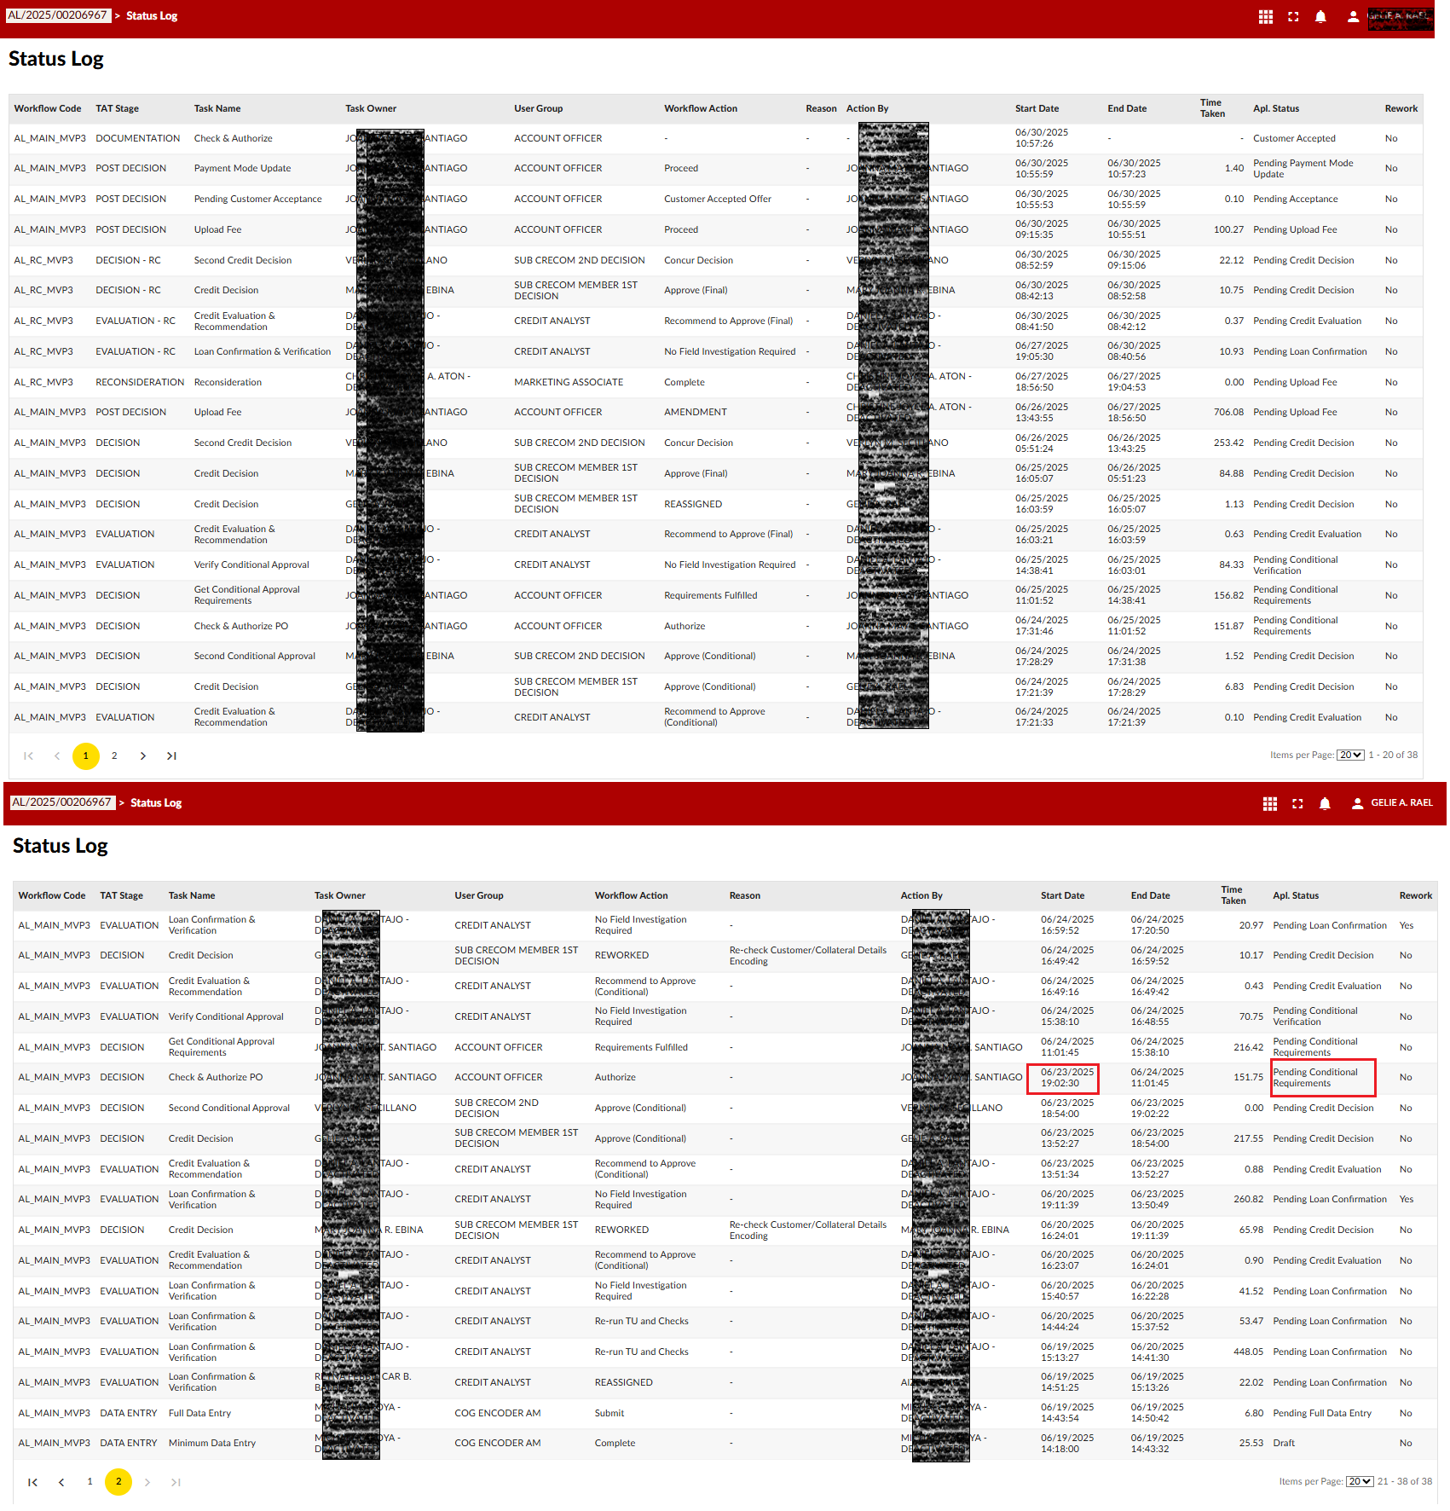

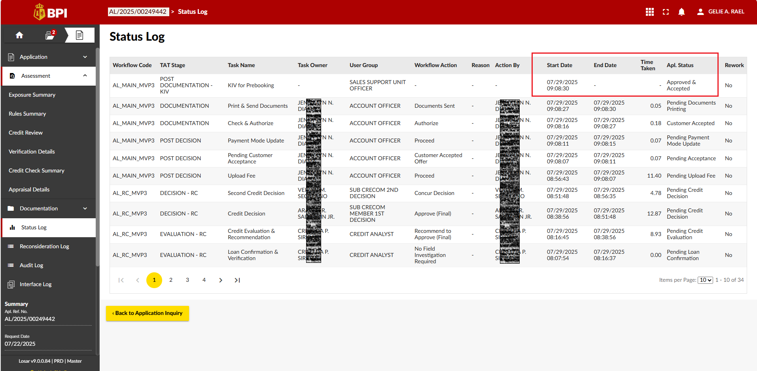

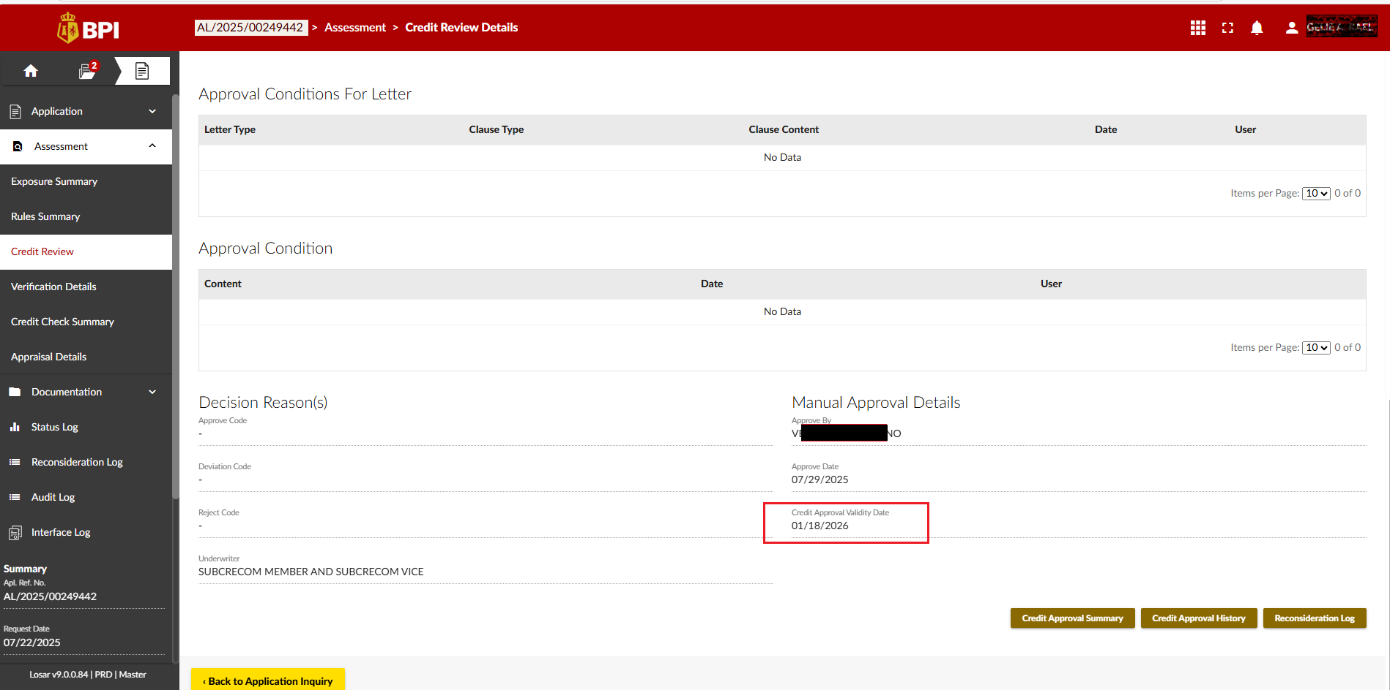

Reason of Reject:
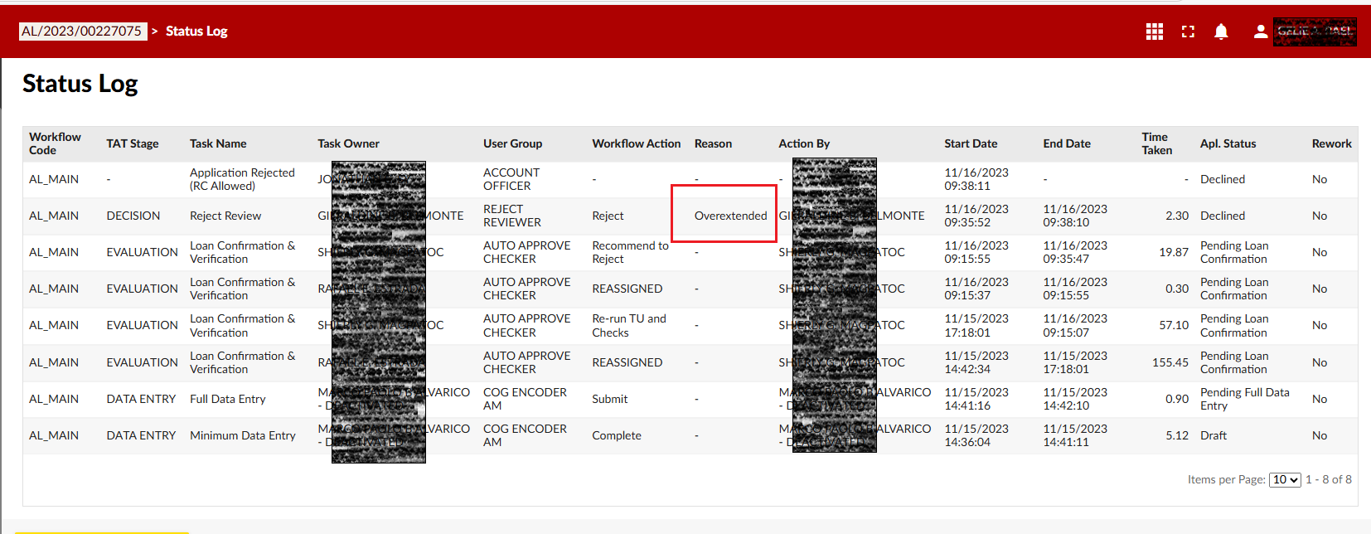

Reason of BTS
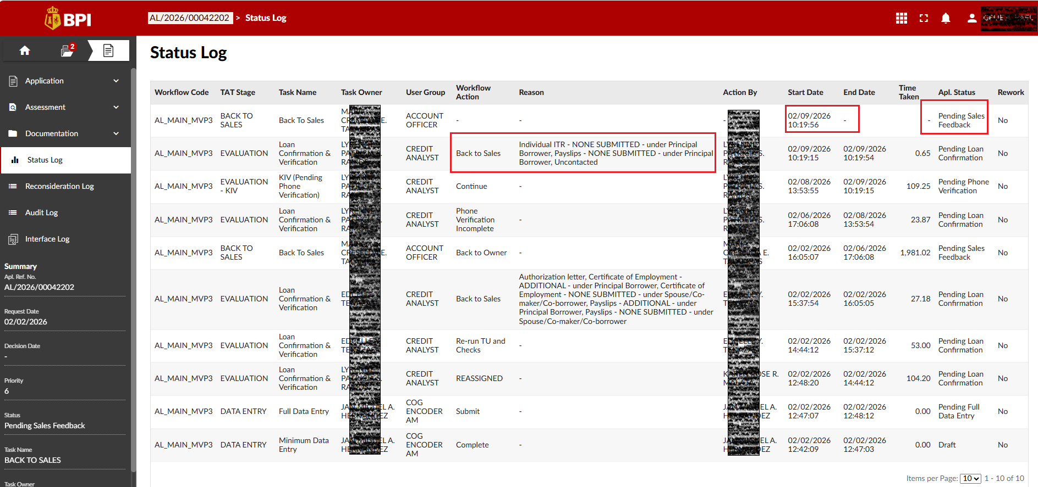

Sample of System Decline

Origins Search API
